doping-near-mag
 |  |  |  |  |  |  |  |  |  |  |  | singe atom doping for near sites
suface111 | E_pot | E_ZPE | Cv_harm | -T*S | Free energy | Overbinding correction | Solvent correction | final energy |  | clean surface | Free energy | *H | E_pot | E_ZPE | Cv_harm | -T*S | Free energy | Overbinding correction | Solvent correction | final energy |  | HER:
* |  |  |  |  | -285.37085286 |  |  | -285.37085286 |  | pure-ni | -285.89739694 | h-ni |  |  |  |  | -288.799 |  |  | -288.799 |  | HER: | 0.64639694
*H |  |  |  |  | -288.418 |  |  | -288.418 |  | pure-co | -287.21802062 | h-co |  |  |  |  | -290.257 |  |  | -290.257 |  | HER: | 0.50902062
*HOCO |  |  |  |  | -306.418 | -306.268 | -306.518 | -306.518 |  | pure-v | -290.17668499 | h-v |  |  |  |  | -292.822 |  |  | -292.822 |  | HER: | 0.90268499
*CO |  |  |  |  | -297.742 |  | -297.842 | -297.842 |  | pure-cr | -290.62763592 | h-cr |  |  |  |  | -292.505 |  |  | -292.505 |  | HER: | 1.67063592
*OH |  |  |  |  | -292.84 |  |  | -292.84 |  | pure-mn | -290.31743773 | h-mn |  |  |  |  | -292.374 |  |  | -292.374 |  | HER: | 1.49143773
 |  |  |  |  |  |  |  |  |  | pure-fe | -288.65460719 | h-fe |  |  |  |  | -291.384 |  |  | -291.384 |  | HER: | 0.81860719
T = 298.15 K and P(H2O) = 3534.0 Pa, P(CO) = 5562.0 Pa, P(CO2) = 101325.0 Pa, P(H2) = 101325.0 Pa |  |  |  |  |  |  |  |  |  | pure-pt | -286.71718718 | h-pt |  |  |  |  | -289.779 |  |  | -289.779 |  | HER: | 0.48618718
 | E_pot | E_ZPE | C_Ideal_gas | -T*S | Free energy | Overbinding correction | Solvent correction | final energy |  | pure-ti | -290.57606738 | h-ti |  |  |  |  | -293.213 |  |  | -293.213 |  | HER: | 0.91106738
H2 | -7.158 | 0.274 | 0.091 | -0.402 | -7.196 | -7.096 |  | -7.096 |  | pure-hf | -293.31291015 | h-hf |  |  |  |  | -295.943 |  |  | -295.943 |  | HER: | 0.91791015
CO2 | -18.459 | 0.306 | 0.099 | -0.662 | -18.718 | -18.418 |  | -18.418
H2O | -12.833 | 0.572 | 0.104 | -0.669 | -12.827 |  |  | -12.827 |  |  |  |  |  |  |  |  |  |  |  |  |  | doping CO2RR |  |  |  | *OH
CO | -12.118 | 0.132 | 0.091 | -0.668 | -12.564 |  |  | -12.564 |  |  |  | *HOCO | E_pot | E_ZPE | Cv_harm | -T*S | Free energy |  |  |  |  | 1.*HOCO step | 2.*CO step | 3.CO step | pure | 1.80985286
 |  |  |  |  |  |  |  |  |  |  |  | hoco-ni |  |  |  |  | -306.795 | -306.645 | -306.895 | -306.895 | 0 | 0.96839694 | 0.23639694 | 0.123 |  | 1.91939694
 |  |  |  |  |  |  |  |  |  |  |  | hoco-co |  |  |  |  | -308.11 | -307.96 | -308.21 | -308.21 | 0 | 0.97402062 | 0.32102062 | 0.123 |  | 1.93102062
 | C_Ideal_gas: | Cv_trans | Cv_rot | Cv_vib | C_v -> C_p |  |  |  |  |  |  | hoco-v |  |  |  |  | -310.884 | -310.734 | -310.984 | -310.984 | 0 | 1.15868499 | 0.47468499 | 0.123 |  | 2.16768499
 |  |  |  |  |  |  |  |  |  |  |  | hoco-cr |  |  |  |  | -311.368 | -311.218 | -311.468 | -311.468 | 0 | 1.12563592 | 0.46263592 | 0.123 |  | 2.08963592
cd |  |  |  |  |  |  |  |  |  |  |  | hoco-mn |  |  |  |  | -311.038 | -310.888 | -311.138 | -311.138 | 0 | 1.14543773 | 0.49843773 | 0.123 |  | 2.04643773
 |  | 0 |  |  |  |  |  |  |  |  |  | hoco-fe |  |  |  |  | -309.441 | -309.291 | -309.541 | -309.541 | 0 | 1.07960719 | 0.44360719 | 0.123 |  | 1.97160719
1.*HOCO step |  | 0.81885286 |  |  |  |  |  |  |  |  |  | hoco-pt |  |  |  |  | -307.516 | -307.366 | -307.616 | -307.616 | 0 | 1.06718718 | 0.35618718 | 0.123 |  | 0.22118718
2.*CO step |  | 0.21585286 |  |  |  | 0.81885286 | 0.09285286 |  |  |  |  | hoco-ti |  |  |  |  | -311.26 | -311.11 | -311.36 | -311.36 | 0 | 1.18206738 | 0.53806738 | 0.123 |  | 2.10806738
3.CO step |  | 0.123 |  |  |  |  |  |  |  |  |  | hoco-hf |  |  |  |  | -313.953 | -313.803 | -314.053 | -314.053 | 0 | 1.22591015 | 0.54391015 | 0.123 |  | 2.08491015
 |  |  |  |  |  |  |  |  |  |  |  |  |  |  |  |  |  |  |  |  |  |  |  |  |  |  |  |  |  | with spin cosidering up and down
undoped HER: |  | 0.50085286 |  |  |  |  |  |  |  |  |  |  |  |  |  |  |  |  |  |  |  | *HOCO | *CO |  |  |  | species | d band center for surface | d band center for atom 53 | atom53 for up and down | surface for up and down using shell | surface using ase
 |  |  |  |  |  |  |  |  |  |  |  | *CO | E_pot | E_ZPE | Cv_harm | -T*S | Free energy |  |  |  | pure | 0.81885286 | 0.09285286 |  |  |  | Pure | -1.946 | -2.117 | -2.13729 | -2.00824 | -1.992
 |  |  |  |  |  |  |  |  |  |  |  | co-ni |  |  |  |  | -298.248 |  | -298.348 | -298.348 |  | 0.96839694 | 0.11339694 |  |  |  | Doping Ni | -1.931 | -2.051 | -2.05255 | -1.94152 | -1.926
 |  |  |  |  |  |  |  |  |  |  |  | co-co |  |  |  |  | -299.484 |  | -299.584 | -299.584 |  | 0.97402062 | 0.19802062 |  |  |  | Doping Co | -1.967 | -2.211 | -2.17906 | -1.948 | -1.932
 |  |  |  |  |  |  |  |  |  |  |  | co-v |  |  |  |  | -302.289 |  | -302.389 | -302.389 |  | 1.15868499 | 0.35168499 |  |  |  | Doping V | -1.904 | -2.181 | -2.09123 | -1.90369 | -1.888
 |  |  |  |  |  |  |  |  |  |  |  | co-cr |  |  |  |  | -302.752 |  | -302.852 | -302.852 |  | 1.12563592 | 0.33963592 |  |  |  | Doping Cr | -1.936 | -2.103 | -2.06813 | -1.88651 | -1.871
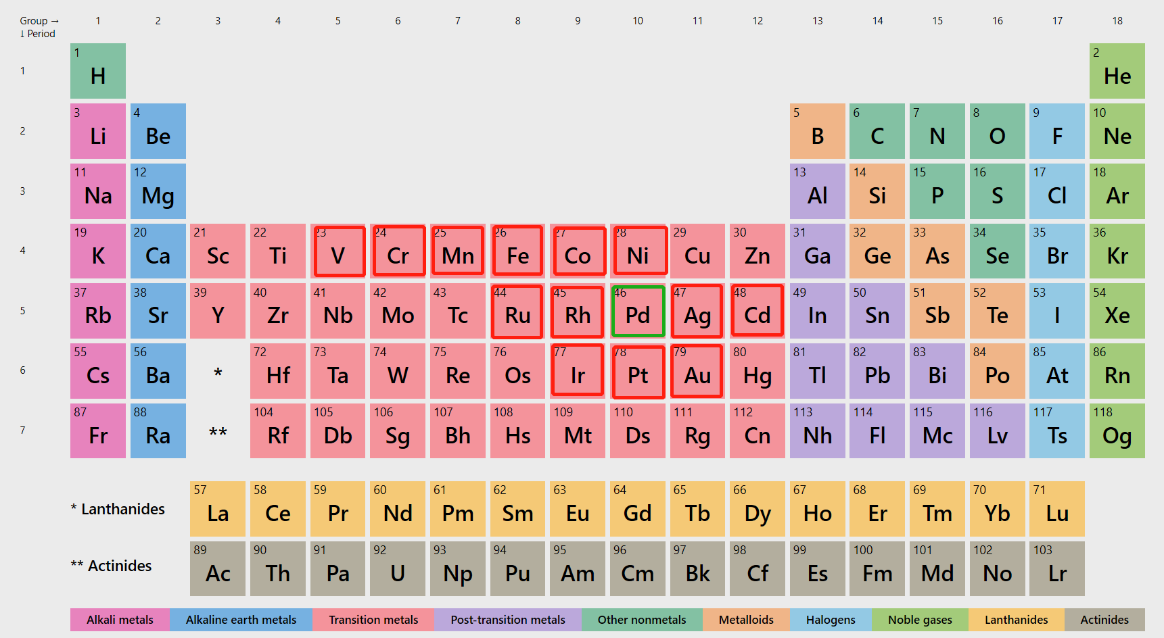
 |  |  |  |  |  |  |  |  |  |  |  | co-mn |  |  |  |  | -302.406 |  | -302.506 | -302.506 |  | 1.14543773 | 0.37543773 |  |  |  | Doping Mn | -1.904 | -2.187 | -2.16191 | -1.88186 | -1.867
 |  |  |  |  |  |  |  |  |  |  |  | co-fe |  |  |  |  | -300.798 |  | -300.898 | -300.898 |  | 1.07960719 | 0.32060719 |  |  |  | Doping Fe | -1.857 | -2.133 | -2.13439 | -1.88333 | -1.867
 |  |  |  |  |  |  |  |  |  |  |  | co-pt |  |  |  |  | -298.948 |  | -299.048 | -299.048 |  | 1.06718718 | 0.23318718 |  |  |  | Doping Pt | -1.888 | -2.05 | -2.06544 | -1.90544 | -1.889
 |  |  |  |  |  |  |  |  |  |  |  | co-ti |  |  |  |  | -302.625 |  | -302.725 | -302.725 |  | 1.18206738 | 0.41506738
 |  |  |  |  |  |  |  |  |  |  |  | co-hf |  |  |  |  | -305.356 |  | -305.456 | -305.456 |  | 1.22591015 | 0.42091015

 |  |  |  |  |  |  |  |  |  |  |  | *OH | E_pot | E_ZPE | Cv_harm | -T*S | Free energy
 |  |  |  |  |  |  |  |  |  |  |  | oh-ni |  |  |  |  | -293.257 |  |  | -293.257
 |  |  |  |  |  |  |  |  |  |  |  | oh-co |  |  |  |  | -294.566 |  |  | -294.566
 |  |  |  |  |  |  |  |  |  |  |  | oh-v |  |  |  |  | -297.288 |  |  | -297.288
 |  |  |  |  |  |  |  |  |  |  |  | oh-cr |  |  |  |  | -297.817 |  |  | -297.817
 |  |  |  |  |  |  |  |  |  |  |  | oh-mn |  |  |  |  | -297.55 |  |  | -297.55
 |  |  |  |  |  |  |  |  |  |  |  | oh-fe |  |  |  |  | -295.962 |  |  | -295.962
 |  |  |  |  |  |  |  |  |  |  |  | oh-pt |  |  |  |  | -295.775 |  |  | -295.775
 |  |  |  |  |  |  |  |  |  |  |  | oh-ti |  |  |  |  | -297.747 |  |  | -297.747
 |  |  |  |  |  |  |  |  |  |  |  | oh-hf |  |  |  |  | -300.507 |  |  | -300.507

0.81885286 | 0.21585286 | 0.123 |  | 0.81885286 | 0.96839694 | 0.97402062 | 1.15868499 | 1.12563592 | 1.14543773 | 1.07960719 | 1.06718718
0.96839694 | 0.23639694 | 0.123 |  | 0.21585286 | 0.23639694 | 0.32102062 | 0.47468499 | 0.46263592 | 0.49843773 | 0.44360719 | 0.35618718
0.97402062 | 0.32102062 | 0.123 |  | 0.123 | 0.123 | 0.123 | 0.123 | 0.123 | 0.123 | 0.123 | 0.123
1.15868499 | 0.47468499 | 0.123
1.12563592 | 0.46263592 | 0.123
1.14543773 | 0.49843773 | 0.123
1.07960719 | 0.44360719 | 0.123
1.06718718 | 0.35618718 | 0.123

activity-single
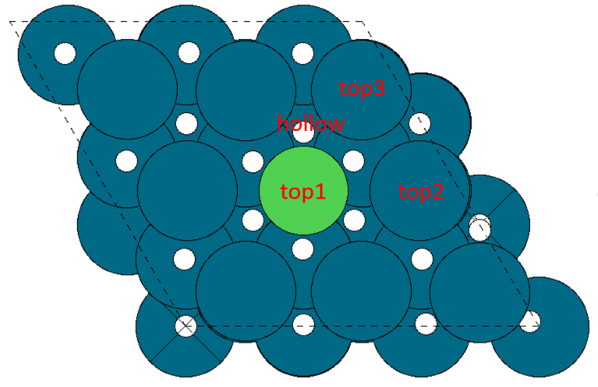
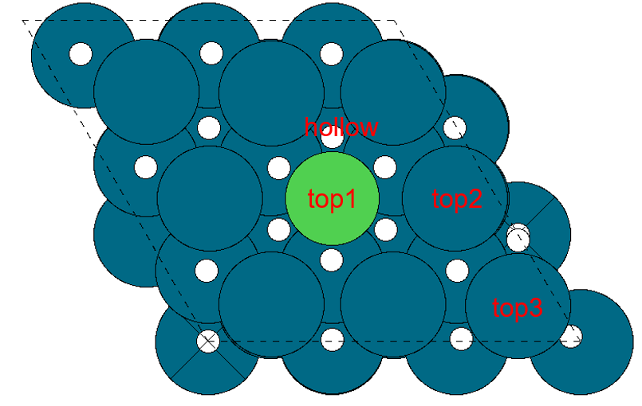
 |  | doping for single atom(near site or top side)
surface-first layer | surface E_pot | surface doping | surface E_pot |  | sites | E_pot | binding energy |  | sites | E_pot | binding energy |  | sites | E_pot | binding energy
pure-surface | -285.37085286 | ni | -285.89819541 | ni-h | top | -288.85221854 | 0.62497687 | ni-hoco | top | -307.26859193 | 0.66760348 | ni-co | top | -298.4901007 | -0.47390529
pure-ni | -285.89819541 |  | -285.89819541 |  | top2 | -288.92595981 | 0.5512356 |  | top2 | -307.36451617 | 0.57167924 |  | top2 | -298.23363248 | -0.21743707
pure-co | -287.21689541 |  | -285.89819541 |  | top3 | -288.88539601 | 0.5917994 |  | top3 | -307.29035253 | 0.64584288 |  | top3 | -298.16583629 | -0.14964088
pure-v | -290.17711977 |  | -285.89819541 |  | hollow | -289.01094862 | 0.46624679 |  | hollow(top2) | -307.35717812 | 0.57901729 |  | hollow(top) | -298.48432786 | -0.46813245
pure-cr | -290.62820994 | co | -287.21689541 | co-h | top | -290.54343656 | 0.25245885 | co-hoco | top | -308.56979408 | 0.68510133 | co-co | top | -300.18752103 | -0.85262562
pure-mn | -290.31716543 |  | -287.21689541 |  | top2 | -290.26313028 | 0.53276513 |  | top2 | -308.71384213 | 0.54105328 |  | top2 | -299.56183911 | -0.2269437
pure-fe | -288.65566431 |  | -287.21689541 |  | top3 | -290.25375497 | 0.54214044 |  | top3 | -308.67911941 | 0.575776 |  | top3 | -299.53713139 | -0.20223598
pure-pt | -286.71628072 |  | -287.21689541 |  | hollow | -290.49678959 | 0.29910582 |  | hollow(top) | -308.66990701 | 0.5849884 |  | hollow(top) | -300.22924484 | -0.89434943
 |  | v | -290.17711977 | v-h | top | -293.28598286 | 0.47013691 | v-hoco | top(??? 2bond) | -311.63452378 | 0.58059599 | v-co | top | -303.15869528 | -0.86357551
 |  |  | -290.17711977 |  | top2 | -293.01448857 | 0.7416312 |  | top2 | -311.4447752 | 0.77034457 |  | top2 | -302.30181227 | -0.0066925
 | E_pot |  | -290.17711977 |  | top3 | -292.93901359 | 0.81710618 |  | top3 | -311.31379663 | 0.90132314 |  | top3 | -302.36345571 | -0.06833594
H2 | -7.158 |  | -290.17711977 |  | hollow | -293.26126942 | 0.49485035 |  | hollow(top 2bond) | -311.63342246 | 0.58169731 |  | hollow(top) | -303.1556521 | -0.86053233
CO2 | -18.459 | cr | -290.62820994 | cr-h | top | -293.09935199 | 1.10785795 | cr-hoco | top | -311.16504296 | 1.50116698 | cr-co | top | -303.01439234 | -0.2681824
H2O | -12.833 |  | -290.62820994 |  | top2 | -293.5310247 | 0.67618524 |  | top2 | -311.96604471 | 0.70016523 |  | top2 | -302.86241976 | -0.11620982
CO | -12.118 |  | -290.62820994 |  | top3 | -293.39739972 | 0.80981022 |  | top3 | -310.87552735 | 1.79068259 |  | top3 | -302.84484252 | -0.09863258
 |  |  | -290.62820994 |  | hollow | -293.69985202 | 0.50735792 |  | hollow(top) | -311.03855423 | 1.62765571 |  | hollow(top) | -303.01220587 | -0.26599593
 |  | mn | -290.31716543 | mn-h | top | -292.40396976 | 1.49219567 | mn-hoco | top | -310.3545913 | 2.00057413 | mn-co | top | -302.53332461 | -0.09815918
 |  |  | -290.31716543 |  | top2 | -293.25780218 | 0.63836325 |  | top2 | -311.68835969 | 0.66680574 |  | top2 | -302.48837959 | -0.05321416
 |  |  | -290.31716543 |  | top3 | -293.14616015 | 0.75000528 |  | top3 | -310.37522285 | 1.97994258 |  | top3 | -302.48357229 | -0.04840686
 |  |  | -290.31716543 |  | hollow | -293.38990236 | 0.50626307 |  | hollow(top) | -310.42819891 | 1.92696652 |  | hollow(top) | -302.48922782 | -0.05406239
 |  | fe | -288.65566431 | fe-h | top | -291.78898184 | 0.44568247 | fe-hoco | top | -309.70962403 | 0.98404028 | fe-co | top | -301.66449114 | -0.89082683
 |  |  | -288.65566431 |  | top2 | -291.64264443 | 0.59201988 |  | top2 | -310.08444855 | 0.60921576 |  | top2 | -300.89259897 | -0.11893466
 |  |  | -288.65566431 |  | top3 | -291.57410811 | 0.6605562 |  | top3 | -310.00622746 | 0.68743685 |  | top3 | -300.84574513 | -0.07208082
 |  |  | -288.65566431 |  | hollow | -291.69128539 | 0.54337892 |  | hollow(top) | -309.68809945 | 1.00556486 |  | hollow(top) | -301.65397238 | -0.88030807
 |  | pt | -286.71628072 | pt-h | top | -289.96070106 | 0.33457966 | pt-hoco | top | -308.24664247 | 0.50763825 | pt-co | top | -298.95520091 | -0.12092019
 |  |  | -286.71628072 |  | top2 | -289.65141254 | 0.64386818 |  | top2 | -308.12150075 | 0.63277997 |  | top2 | -299.05008744 | -0.21580672
 |  |  | -286.71628072 |  | top3 | -289.71112281 | 0.58415791 |  | top3 | -308.13265421 | 0.62162651 |  | top3 | -299.00083203 | -0.16655131
 |  |  | -286.71628072 |  | hollow | -287.94704246 | 2.34823826 |  | hollow(top2) | -308.10961768 | 0.64466304 |  | hollow(structure distortion) | -299.24287433 | -0.40859361
 |  | ti | -290.57722063 | ti-h | top | -293.46048483 | 0.6957358 | ti-hoco | top | -312.11089492 | 0.50432571 | ti-co | top | -303.47983448 | -0.78461385
 |  |  | -290.57722063 |  | top2 | -293.38375415 | 0.77246648 |  | top2 | -311.8511681 | 0.76405253 |  | top2 | -302.89206104 | -0.19684041
 |  |  | -290.57722063 |  | top3 | -293.38882656 | 0.76739407 |  | top3 | -311.83882596 | 0.77639467 |  | top3 | -302.88602109 | -0.19080046
 |  |  | -290.57722063 |  | hollow | -293.64322195 | 0.51299868 |  | hollow(top2) | -311.85709647 | 0.75812416 |  | hollow(top) | -303.47648038 | -0.78125975
 |  | hf | -293.31298668 | hf-h | top | -296.17588329 | 0.71610339 | hf-hoco | top | -314.89960933 | 0.45137735 | hf-co | top | -306.25927633 | -0.82828965
 |  |  | -293.31298668 |  | top2 | -296.08987614 | 0.80211054 |  | top2 | -314.59551284 | 0.75547384 |  | top2 | -305.4576657 | -0.02667902
 |  |  | -293.31298668 |  | top3 | -296.0772406 | 0.81474608 |  | top3 | -314.53930287 | 0.81168381 |  | top3 | -305.57460574 | -0.14361906
 |  |  | -293.31298668 |  | hollow | -296.34191663 | 0.55007005 |  | hollow(top2) | -314.4929846 | 0.85800208 |  | hollow(top) | -306.25678993 | -0.82580325
 |  | pure | -285.37085286 | pure-h | top | -288.55165757 | 0.39819529 | pure-hoco | top | -307.00456605 | 0.40428681 | pure-co | top | -297.85060822 | -0.36175536
 |  |  | -285.37085286 |  | top2 | -288.55165757 | 0.39819529 |  | top2 | -307.00456605 | 0.40428681 |  | top2 | -297.85060822 | -0.36175536
 |  |  | -285.37085286 |  | top3 | -288.55165757 | 0.39819529 |  | top3 | -307.00456605 | 0.40428681 |  | top3 | -297.85060822 | -0.36175536
 |  |  | -285.37085286 |  | hollow | -288.60651599 | 0.34333687 |  | hollow | -306.99122992 | 0.41762294 |  | hollow | -297.64898132 | -0.16012846

 |  |  |  |  | most stable is hollow or top |  |  |  | most of them are top2 or top |  |  | most stable is top site

activity-overly
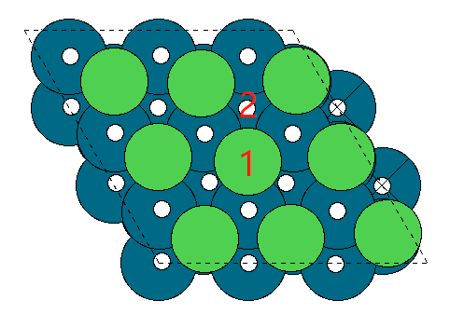
 |  | overlayer doping
surface-first layer | surface E_pot | surface doping | surface E_pot | h | sites | E_pot | binding energy | hoco | sites | E_pot | binding energy | co | sites | E_pot | binding energy | oh | sites | E_pot | binding energy
pure-surface | -285.37085286 | ni | -287.30867331 | ni-h | slab-top | -290.39653555 | 0.49113776 | ni-hoco | slab-top(little distortion) | -308.99112533 | 0.35554798 | ni-co | slab-top | -300.22154972 | -0.79487641 | ni-oh | slab-top(distortion) | -296.84252058 | -0.27984727
pure-ni | -287.30867331 |  | -287.30867331 |  | slab-hollow(structure distortion) | -291.08127482 | -0.19360151 |  | slab-hollow(distortion) | -309.4106037 | -0.06393039 |  | slab-hollow(distortion) | -300.73026143 | -1.30358812 |  | slab-hollow(distortion) | -296.93323468 | -0.37056137
pure-co | -299.8528333 | co | -299.8528333 | co-h | slab-top | -303.26434228 | 0.16749102 | co-hoco | slab-top | -321.95530832 | -0.06447502 | co-co | slab-top | -313.19590821 | -1.22507491 | co-oh | slab-top(distortion) | -309.40245291 | -0.29561961
pure-v | -329.29559011 |  | -299.8528333 |  | slab-hollow(bridge) | -301.77771293 | 1.65412037 |  | slab-hollow(top and distortion) | -320.79323995 | 1.09759335 |  | slab-hollow(little distortion) | -311.93104105 | 0.03979225 |  | slab-hollow(distortion) | -307.82181372 | 1.28501958
pure-cr | -329.44252117 | v | -329.29559011 | v-h | slab-top | -332.47271931 | 0.4018708 | v-hoco | slab-top | -351.19295174 | 0.14063837 | v-co | slab-top | -342.27971812 | -0.86612801 | v-oh | slab-top | -338.70813155 | -0.15854144
pure-mn | -325.86297696 |  | -329.29559011 |  | slab-hollow | -332.32486372 | 0.54972639 |  | slab-hollow(top) | -350.83563194 | 0.49795817 |  | slab-hollow(top) | -342.02689659 | -0.61330648 |  | slab-hollow | -338.14526733 | 0.40432278
pure-fe | -314.18466063 | cr | -329.44252117 | cr-h | slab-top | -332.45307205 | 0.56844912 | cr-hoco | slab-top | -351.16689255 | 0.31362862 | cr-co | slab-top | -342.55844175 | -0.99792058 | cr-oh | slab-top | -338.55425378 | 0.14226739
pure-pt | -293.47660595 |  | -329.44252117 |  | slab-hollow | -328.23735295 | 4.78416822 |  | slab-hollow(top) | -347.0355456 | 4.44497557 |  | slab-hollow(top) | -338.30512222 | 3.25539895 |  | slab-hollow(distortion) | -334.43330583 | 4.26321534
pure-ti | -330.03571839 | mn | -325.86297696 | mn-h | slab-top | -328.79060514 | 0.65137182 | mn-hoco | slab-top | -347.40871775 | 0.49225921 | mn-co | slab-top | -338.65634306 | -0.6753661 | mn-oh | slab-top | -334.60452519 | 0.51245177
pure-hf | -346.09720999 |  | -325.86297696 |  | slab-hollow | -319.30696166 | 10.1350153 |  | slab-hollow(top and distortion) | -338.46840418 | 9.43257278 |  | slab-hollow(little distortion) | -328.99341102 | 8.98756594 |  | slab-hollow(distortion) | -326.80814509 | 8.30883187
 |  | fe | -314.18466063 | fe-h | slab-top | -317.28484455 | 0.47881608 | fe-hoco | slab-top(little distortion) | -335.92934404 | 0.29331659 | fe-co | slab-top | -327.05430727 | -0.75164664 | fe-oh | slab-top | -322.81330377 | 0.62535686
 |  |  | -314.18466063 |  | slab-hollow | -310.38453003 | 7.3791306 |  | slab-hollow(top distortion) | -330.17427449 | 6.04838614 |  | slab-hollow(distortion) | -321.1729563 | 5.12970433 |  | slab-hollow(distortion) | -317.06139303 | 6.3772676
 | E_pot | pt | -293.47660595 | pt-h | slab-top | -297.16436965 | -0.1087637 | pt-hoco | slab-top | -315.37590589 | 0.13870006 | pt-co | slab-top(distortion) | -306.547164 | -0.95255805 | pt-oh | slab-top(little distortion) | -301.8212052 | 0.90940075
H2 | -7.158 |  | -293.47660595 |  | slab-hollow(distortion) | -297.00249836 | 0.05310759 |  | slab-hollow(distortion) | -315.42341662 | 0.09118933 |  | slab-hollow(top) | -306.55859426 | -0.96398831 |  | slab-hollow(to H2O) | -302.79716071 | -0.06655476
CO2 | -18.459 | ti | -330.03529791 | ti-h | slab-top | -332.8614658 | 0.75283211 | ti-hoco | slab-top | -351.90012761 | 0.1731703 | ti-co | slab-top | -342.86081104 | -0.70751313 | ti-oh | slab-top | -339.95063029 | -0.66133238
H2O | -12.833 |  | -330.03529791 |  | slab-hollow(H up) | -333.63477528 | -0.02047737 |  | slab-hollow(top distortion) | -351.90020885 | 0.17308906 |  | slab-hollow(top) | -342.86267792 | -0.70938001 |  | slab-hollow | -339.81810023 | -0.52880232
CO | -12.118 | hf | -346.09720999 | hf-h | slab-top(distortion) | -347.26231973 | 2.41389026 | hf-hoco | slab-top(distortion) | -371.30055123 | -3.16534124 | hf-co | slab-top | -359.12735769 | -0.9121477 | hf-oh | slab-top | -357.22949163 | -1.87828164
 |  |  | -346.09720999 |  | slab-hollow | -349.75821206 | -0.08200207 |  | slab-hollow(distortion) | -369.50812357 | -1.37291358 |  | slab-hollow(top) | -359.12604943 | -0.91083944 |  | slab-hollow | -357.17293383 | -1.82172384
 |  | pure | -285.37085286 | pure-h | top | -288.55165757 | 0.39819529 | pure-hoco | top | -307.00456605 | 0.40428681 | pure-co | top | -297.85060822 | -0.36175536 | pure-oh | slab-top | -293.14500487 | 1.47984799
 |  |  | -285.37085286 |  | hollow | -288.60651599 | 0.34333687 |  | hollow | -306.99122992 | 0.41762294 |  | hollow | -297.64898132 | -0.16012846 |  | slab-hollow | -292.59726899 | 2.02758387

 |  |  |  |  | top is stable |  |  |  | top is stable |  |  |  | top is stable |  |  |  | top is stable(most of them are distortion)

activity-island
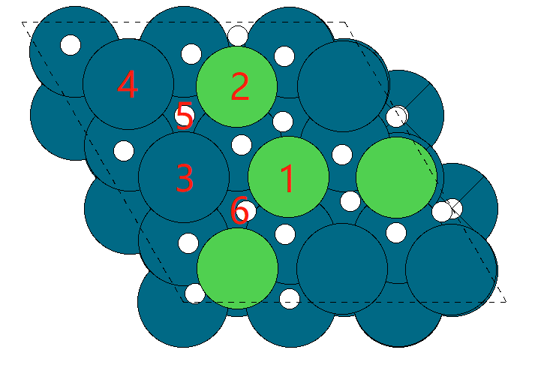
 |  | island doping
surface-island | surface E_pot | surface doping | surface E_pot | h | sites | E_pot | binding energy |  | hoco | sites | E_pot | binding energy |  | co | sites | E_pot | binding energy |  | oh | sites | E_pot | binding energy
ni-island | -286.80696795 | ni | -286.80696795 | ni-h | slab-top1 | -289.74164873 | 0.64431922 |  | ni-hoco | slab-top1 | -308.20383223 | 0.64113572 |  | ni-co | slab-top1 | -299.42886101 | -0.50389306 |  | ni-oh(CO) | slab-top1 | -294.76738208 | 1.29358587
co-island | -292.13321273 |  | -286.80696795 |  | slab-top2(to H2) | -290.63278806 | -0.24682011 |  |  | slab-top2 | -308.16222554 | 0.68274241 |  |  | slab-top2 | -299.39034181 | -0.46537386 |  |  | slab-top2 | -299.3896421 | -3.32867415
v-island | -304.33490765 |  | -286.80696795 |  | slab-top3 | -287.85679009 | 2.52917786 |  |  | slab-top3 | -308.25775519 | 0.58721276 |  |  | slab-top3 | -299.17146168 | -0.24649373 |  |  | slab-top3 | -299.17146168 | -3.11049373
cr-island | -305.56596176 |  | -286.80696795 |  | slab-top4 | -289.78378753 | 0.60218042 |  |  | slab-top4 | -308.2372681 | 0.60769985 |  |  | slab-top4 | -299.20473807 | -0.27977012 |  |  | slab-top4 | -299.20473807 | -3.14377012
mn-island | -303.92857921 |  | -286.80696795 |  | slab-hollow1 | -290.04347783 | 0.34249012 |  |  | slab-hollow1(top3) | -308.26284795 | 0.58212 |  |  | slab-hollow1(top2or4 bridge) | -299.5503882 | -0.62542025 |  |  | slab-hollow1 | -299.5503882 | -3.48942025
fe-island | -297.9571634 |  | -286.80696795 |  | slab-hollow2(top3) | -288.02569916 | 2.36026879 |  |  | slab-hollow2(top2) | -308.14573225 | 0.6992357 |  |  | slab-hollow2(bridge 1or 6) | -299.47598799 | -0.55102004 |  |  | slab-hollow2 | -299.4819996 | -3.42103165
pt-island | -289.80631817 | co | -292.13321273 | co-h | slab-top1(H distortion) | -295.90951896 | -0.19730623 |  | co-hoco | slab-top1(H distortion) | -314.41084266 | -0.23962993 |  | co-co | slab-top1(H distortion) | -305.60946518 | -1.35825245 |  | co-oh | slab-top1 | -301.37679622 | 0.01041651
ti-island | -305.56842169 |  | -292.13321273 |  | slab-top2(H distortion) | -295.6926422 | 0.01957053 |  |  | slab-top2(distortion) | -313.84797591 | 0.32323682 |  |  | slab-top2(H distortion) | -305.61897196 | -1.36775923 |  |  | slab-top2 | -305.618692 | -4.23147927
hf-island | -315.41948053 |  | -292.13321273 |  | slab-top3(H2 distortion) | -295.90929171 | -0.19707898 |  |  | slab-top3(hollow2) | -313.86563168 | 0.30558105 |  |  | slab-top3(top2) | -305.83944138 | -1.58822865 |  |  | slab-top3 | -305.61751424 | -4.23030151
 |  |  | -292.13321273 |  | slab-top4(H away and distortion) | -293.25384722 | 2.45836551 |  |  | slab-top4 | -313.3340617 | 0.83715103 |  |  | slab-top4 | -304.34641004 | -0.09519731 |  |  | slab-top4 | -304.34641004 | -2.95919731
 |  |  | -292.13321273 |  | slab-hollow1(H distortion) | -295.69245647 | 0.01975626 |  |  | slab-hollow1(H distortion) | -313.82816144 | 0.34305129 |  |  | slab-hollow1(top2) | -305.83828474 | -1.58707201 |  |  | slab-hollow1 | -305.6184606 | -4.23124787
 | E_pot |  | -292.13321273 |  | slab-hollow2(H away and distortion) | -293.25979268 | 2.45242005 |  |  | slab-hollow2(bridge 1or6) | -313.81567481 | 0.35553792 |  |  | slab-hollow2(top1) | -305.61357847 | -1.36236574 |  |  | slab-hollow2 | -305.61344343 | -4.2262307
H2 | -7.158 | v | -304.33490765 | v-h | slab-top1 | -307.38481301 | 0.52909464 |  | v-hoco | slab-top1 | -326.25769368 | 0.11521397 |  | v-co | slab-top1 | -317.34994314 | -0.89703549 |  | v-oh | slab-top1 | -313.59691712 | -0.00800947
CO2 | -18.459 |  | -304.33490765 |  | slab-top2(to H2) | -307.32132105 | 0.5925866 |  |  | slab-top2 | -325.55131019 | 0.82159746 |  |  | slab-top2 | -316.80012819 | -0.34722054 |  |  | slab-top2 | -316.80012819 | -3.21122054
H2O | -12.833 |  | -304.33490765 |  | slab-top3 | -307.09680982 | 0.81709783 |  |  | slab-top3 | -325.54323429 | 0.82967336 |  |  | slab-top3(top1 and H distortion) | -317.14599481 | -0.69308716 |  |  | slab-top3 | -317.14599481 | -3.55708716
CO | -12.118 |  | -304.33490765 |  | slab-top4 | -307.02493599 | 0.88897166 |  |  | slab-top4 | -324.68432456 | 1.68858309 |  |  | slab-top4(CO away) | -316.52804365 | -0.075136 |  |  | slab-top4 | -315.82786727 | -2.23895962
 |  |  | -304.33490765 |  | slab-hollow1(H away) | -305.56058095 | 2.3533267 |  |  | slab-hollow1(top2 and H distortion) | -326.27640751 | 0.09650014 |  |  | slab-hollow1(top2) | -316.81355608 | -0.36064843 |  |  | slab-hollow1 | -317.46465225 | -3.8757446
 |  |  | -304.33490765 |  | slab-hollow2(H distortion) | -307.51402648 | 0.39988117 |  |  | slab-hollow2(bridge 1or6) | -325.97439726 | 0.39851039 |  |  | slab-hollow2(top1) | -317.35437411 | -0.90146646 |  |  | slab-hollow2 | -316.79778888 | -3.20888123
 |  | cr | -305.56596176 | cr-h | slab-top1 | -308.45261831 | 0.69234345 |  | cr-hoco | slab-top1 | -327.07255076 | 0.531411 |  | cr-co | slab-top1 | -318.15247326 | -0.4685115 |  | cr-oh | slab-top1 | -314.52871708 | 0.29124468
 |  |  | -305.56596176 |  | slab-top2(to H2) | -305.73855061 | 3.40641115 |  |  | slab-top2(Cr distortion) | -323.95306715 | 3.65089461 |  |  | slab-top2 | -315.43494498 | 2.24901678 |  |  | slab-top2 | -315.43549536 | -0.6155336
 |  |  | -305.56596176 |  | slab-top3 | -308.29873046 | 0.8462313 |  |  | slab-top3 | -326.7461348 | 0.85782696 |  |  | slab-top3(CO away) | -317.79545889 | -0.11149713 |  |  | slab-top3 | -314.12865857 | 0.69130319
 |  |  | -305.56596176 |  | slab-top4 | -308.33478257 | 0.81017919 |  |  | slab-top4 | -326.73295239 | 0.87100937 |  |  | slab-top4 | -317.63016917 | 0.05379259 |  |  | slab-top4 | -317.62909779 | -2.80913603
 |  |  | -305.56596176 |  | slab-hollow1(H away) | -306.74363864 | 2.40132312 |  |  | slab-hollow1(top2) | -326.76027798 | 0.84368378 |  |  | slab-hollow1(top2) | -318.16242116 | -0.4784594 |  |  | slab-hollow1 | -315.43520852 | -0.61524676
 |  |  | -305.56596176 |  | slab-hollow2(to H2) | -305.53670979 | 3.60825197 |  |  | slab-hollow2(top2 and Cr distortion) | -323.37034584 | 4.23361592 |  |  | slab-hollow2(top1) | -318.1484774 | -0.46451564 |  |  | slab-hollow2 | -315.44825121 | -0.62828945
 |  | mn | -303.92857921 | mn-h | slab-top1 | -306.95751592 | 0.55006329 |  | mn-hoco | slab-top1 | -325.38462436 | 0.58195485 |  | mn-co | slab-top1 | -316.92608612 | -0.87950691 |  | mn-oh | slab-top1 | -312.71614488 | 0.46643433
 |  |  | -303.92857921 |  | slab-top2(to H2) | -302.51222161 | 4.9953576 |  |  | slab-top2(distortion) | -320.72712656 | 5.23945265 |  |  | slab-top2 | -312.27936207 | 3.76721714 | 4.64672405 |  | slab-top2 | -312.279107 | 0.90347221
 |  |  | -303.92857921 |  | slab-top3 | -306.69835295 | 0.80922626 |  |  | slab-top3 | -325.15096038 | 0.81561883 |  |  | slab-top3 | -315.99991042 | 0.04666879 |  |  | slab-top3 | -312.34109773 | 0.84148148
 |  |  | -303.92857921 |  | slab-top4 | -306.73582621 | 0.771753 |  |  | slab-top4 | -325.12937932 | 0.83719989 |  |  | slab-top4 | -315.99259685 | 0.05398236 |  |  | slab-top4 | -312.7909728 | 0.39160641
 |  |  | -303.92857921 |  | slab-hollow1(to H2) | -307.61317192 | -0.10559271 |  |  | slab-hollow1(top2 and distortion) | -320.70651534 | 5.26006387 |  |  | slab-hollow1(top2) | -316.19371042 | -0.14713121 |  |  | slab-hollow1 | -312.72271248 | 0.45986673
 |  |  | -303.92857921 |  | slab-hollow2(H distortion) | -302.54669645 | 4.96088276 |  |  | slab-hollow2(top2) | -325.0628405 | 0.90373871 |  |  | slab-hollow2(top1) | -316.93132621 | -0.884747 |  |  | slab-hollow2 | -312.74771132 | 0.43486789
 |  | fe | -297.9571634 | fe-h | slab-top1 | -301.20407375 | 0.33208965 |  | fe-hoco | slab-top1 | -319.36593898 | 0.62922442 |  | fe-co | slab-top1 | -310.92077609 | -0.84561269 |  | fe-oh | slab-top1 | -306.48287518 | 0.72828822
 |  |  | -297.9571634 |  | slab-top2(to H2) | -299.26060044 | 2.27556296 |  |  | slab-top2 | -317.00918351 | 2.98597989 | 2.35675547 |  | slab-top2 | -309.02075339 | 1.05441001 |  |  | slab-top2 | -309.02054083 | -1.80937743
 |  |  | -297.9571634 |  | slab-top3 | -300.83292109 | 0.70324231 |  |  | slab-top3 | -319.29314762 | 0.70201578 |  |  | slab-top3 | -310.10523362 | -0.03007022 |  |  | slab-top3 | -310.09998343 | -2.88882003
 |  |  | -297.9571634 |  | slab-top4 | -300.83960446 | 0.69655894 |  |  | slab-top4 | -319.25783329 | 0.73733011 |  |  | slab-top4 | -310.13205303 | -0.05688963 |  |  | slab-top4 | -310.13169172 | -2.92052832
 |  |  | -297.9571634 |  | slab-hollow1(H distortion) | -298.8512277 | 2.6849357 |  |  | slab-hollow1(top2 and H distortion) | -317.47832145 | 2.51684195 |  |  | slab-hollow1(top2) | -310.95079813 | -0.87563473 |  |  | slab-hollow1 | -310.95139225 | -3.74022885
 |  |  | -297.9571634 |  | slab-hollow2(top3) | -300.83361921 | 0.70254419 |  |  | slab-hollow2(top2) | -319.1587018 | 0.8364616 |  |  | slab-hollow2(top2) | -310.96525364 | -0.89009024 |  |  | slab-hollow2 | -310.96530347 | -3.75414007
 |  | pt | -289.80631817 | pt-h | slab-top1 | -293.0968437 | 0.28847447 |  | pt-hoco | slab-top1 | -311.39902209 | 0.44529608 |  | pt-co | slab-top1(H distortion) | -302.19258269 | -0.26826452 |  | pt-oh | slab-top1 | -299.16988266 | -0.10956449
 |  |  | -289.80631817 |  | slab-top2 | -293.03735722 | 0.34796095 |  |  | slab-top2 | -311.35540349 | 0.48891468 |  |  | slab-top2 | -302.439526 | -0.51520783 |  |  | slab-top2 | -302.43844839 | -3.37813022
 |  |  | -289.80631817 |  | slab-top3 | -292.55937314 | 0.82594503 |  |  | slab-top3 | -311.00443301 | 0.83988516 |  |  | slab-top3 | -302.1558023 | -0.23148413 |  |  | slab-top3 | -302.15657583 | -3.09625766
 |  |  | -289.80631817 |  | slab-top4 | -292.57387096 | 0.81144721 |  |  | slab-top4 | -311.04504271 | 0.79927546 |  |  | slab-top4 | -302.20070791 | -0.27638974 |  |  | slab-top4 | -302.19688572 | -3.13656755
 |  |  | -289.80631817 |  | slab-hollow1(H away and bridge) | -290.54467355 | 2.84064462 |  |  | slab-hollow1(top2) | -311.40501231 | 0.43930586 |  |  | slab-hollow1(H distortion) | -302.49176643 | -0.56744826 |  |  | slab-hollow1 | -302.49135318 | -3.43103501
 |  |  | -289.80631817 |  | slab-hollow2(little H distortion) | -293.01653297 | 0.3687852 |  |  | slab-hollow2(top1) | -311.39860359 | 0.44571458 |  |  | slab-hollow2(bridge 1or 3) | -302.30623062 | -0.38191245 |  |  | slab-hollow2 | -302.30613625 | -3.24581808
 |  | ti | -305.56842169 | ti-h | slab-top1 | -308.47787208 | 0.66954961 |  | ti-hoco | slab-top1 | -327.39588263 | 0.21053906 |  | ti-co | slab-top1 | -318.45620819 | -0.7697865 |  | ti-oh | slab-top1 | -315.54292903 | -0.72050734
 |  |  | -305.56842169 |  | slab-top2 | -308.54647022 | 0.60095147 |  |  | slab-top2 | -327.17715464 | 0.42926705 |  |  | slab-top2 | -318.41573799 | -0.7293163 |  |  | slab-top2 | -318.41523559 | -3.5928139
 |  |  | -305.56842169 |  | slab-top3(H distortion) | -309.03752577 | 0.10989592 |  |  | slab-top3 | -326.67634552 | 0.93007617 |  |  | slab-top3(away) | -317.79959025 | -0.11316856 |  |  | slab-top3 | -317.79920163 | -2.97677994
 |  |  | -305.56842169 |  | slab-top4 | -308.22724453 | 0.92017716 |  |  | slab-top4 | -326.57536929 | 1.0310524 |  |  | slab-top4(away) | -317.80985321 | -0.12343152 |  |  | slab-top4 | -317.80973134 | -2.98730965
 |  |  | -305.56842169 |  | slab-hollow1 | -308.50776134 | 0.63966035 |  |  | slab-hollow1(top2) | -327.35304964 | 0.25337205 |  |  | slab-hollow1(top2) | -318.42002316 | -0.73360147 |  |  | slab-hollow1 | -318.41988084 | -3.59745915
 |  |  | -305.56842169 |  | slab-hollow2(top1) | -308.49199227 | 0.65542942 |  |  | slab-hollow2(bridge 1or6) | -327.58198392 | 0.02443777 |  |  | slab-hollow2(top1) | -318.46709793 | -0.78067624 |  |  | slab-hollow2 | -318.46605693 | -3.64363524
 |  | hf | -315.41948053 | hf-h | slab-top1 | -319.31715641 | -0.31867588 |  | hf-hoco | slab-top1 | -337.34261256 | 0.11486797 |  | hf-co | slab-top1 | -328.25353076 | -0.71605023 |  | hf-oh | slab-top1 | -327.00637227 | -2.33289174
 |  |  | -315.41948053 |  | slab-top2 | -318.25206675 | 0.74641378 | 1.06508966 |  | slab-top2 | -337.74297287 | -0.28549234 |  |  | slab-top2 | -328.16014302 | -0.62266249 |  |  | slab-top2 | -328.16026229 | -3.48678176
 |  |  | -315.41948053 |  | slab-top3 | -317.85868809 | 1.13979244 |  |  | slab-top3(bridge 1or3) | -337.45126528 | 0.00621525 |  |  | slab-top3(away) | -327.65754553 | -0.120065 |  |  | slab-top3 | -327.65805582 | -2.98457529
 |  |  | -315.41948053 |  | slab-top4 | -317.9383497 | 1.06013083 |  |  | slab-top4 | -336.34548257 | 1.11199796 |  |  | slab-top4(away) | -327.64628341 | -0.10880288 |  |  | slab-top4 | -327.64663166 | -2.97315113
 |  |  | -315.41948053 |  | slab-hollow1(to H2) | -318.98756411 | 0.01091642 |  |  | slab-hollow1(top2) | -337.20454194 | 0.25293859 |  |  | slab-hollow1(top2) | -328.16065685 | -0.62317632 |  |  | slab-hollow1 | -328.16117306 | -3.48769253
 |  |  | -315.41948053 |  | slab-hollow2 | -318.80801534 | 0.19046519 |  |  | slab-hollow2(distortion) | -338.2773448 | -0.81986427 |  |  | slab-hollow2(top1) | -328.25500474 | -0.71752421 |  |  | slab-hollow2 | -328.25500107 | -3.58152054
 |  | pure | -285.37085286 | pure-h | top | -288.552 | 0.398 |  | pure-hoco | top | -307.005 | 0.404 |  | pure-co | top | -297.851 | -0.362 |  | pure-oh | slab-top | -293.14500487 | 1.47984799
 |  |  | -285.37085286 |  | hollow | -288.607 | 0.343 |  |  | hollow | -306.991 | 0.418 |  |  | hollow | -297.649 | -0.160 |  |  | slab-hollow | -292.59726899 | 2.02758387

 |  |  |  |  | top1 is stable |  |  |  |  | top1 is stable |  |  |  |  | top1 is stable

activity-paral
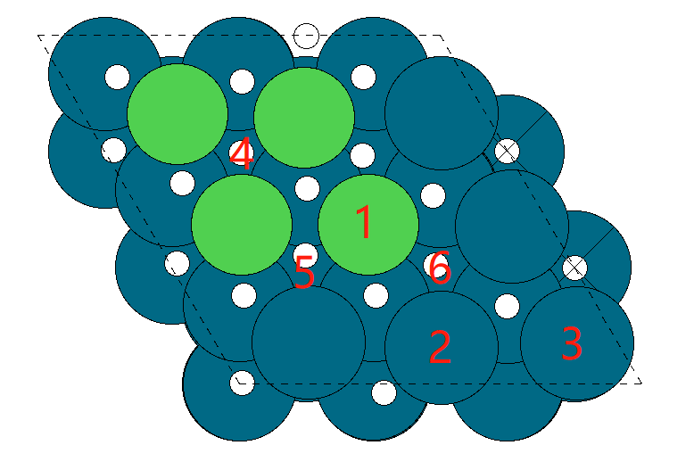
 |  | parallelogram doping
surface-island | surface E_pot | surface doping | surface E_pot | h | sites | E_pot | binding energy |  | hoco | sites | E_pot | binding energy |  | co | sites | E_pot | binding energy |  | oh | sites | E_pot | binding energy
ni-paral | -286.77292558 | ni | -286.77292558 | ni-h | slab-top1 | -289.73640441 | 0.61552117 |  | ni-hoco | slab-top1 | -308.17822589 | 0.63269969 |  | ni-co | slab-top1 | -299.43973252 | -0.54880694 |  | ni-oh | slab-top1 | -294.79702333 | 1.22990225
co-paral | -292.29262495 |  | -286.77292558 |  | slab-top2 | -289.78883242 | 0.56309316 |  |  | slab-top2 | -308.38279781 | 0.42812777 |  |  | slab-top2 | -299.31118413 | -0.42025855 |  |  | slab-top2 | -294.55621037 | 1.47071521
v-paral | -304.23203192 |  | -286.77292558 |  | slab-top3 | -289.90945211 | 0.44247347 |  |  | slab-top3 | -308.19051028 | 0.6204153 |  |  | slab-top3 | -299.25669703 | -0.36577145 |  |  | slab-top3 | -294.63906657 | 1.38785901
cr-paral | -305.329969 |  | -286.77292558 |  | slab-hollow1 | -290.1718541 | 0.18007148 |  |  | slab-hollow1(top1 left) | -308.13069023 | 0.68023535 |  |  | slab-hollow1(bridge 4or1) | -299.49474601 | -0.60382043 |  |  | slab-hollow1 | -295.37213439 | 0.65479119
mn-paral | -303.72885627 |  | -286.77292558 |  | slab-hollow2 | -288.10273818 | 2.2491874 |  |  | slab-hollow2(top2) | -308.19168447 | 0.61924111 |  |  | slab-hollow2(bridge 1or 5) | -299.50372852 | -0.61280294 |  |  | slab-hollow2(bridge1or5) | -295.16562692 | 0.86129866
fe-paral | -298.08965211 |  | -286.77292558 |  | slab-hollow3 | -290.04312283 | 0.30880275 |  |  | slab-hollow3(top2) | -308.38289127 | 0.42803431 |  |  | slab-hollow3(hollow2or3or6) | -299.50006846 | -0.60914288 |  |  | slab-hollow3(to H2O) | -296.13718119 | -0.11025561
pt-paral | -289.6232674 | co | -292.29262495 | co-h | slab-top1 | -295.58029837 | 0.29132658 |  | co-hoco | slab-top1 | -313.87070337 | 0.45992158 |  | co-co | slab-top1 | -305.41081234 | -1.00018739 |  | co-oh | slab-top1 | -300.61246149 | 0.93416346
ti-paral | -305.3234159 |  | -292.29262495 |  | slab-top2 | -295.21282905 | 0.6587959 |  |  | slab-top2 | -313.74452469 | 0.58610026 |  |  | slab-top2 | -304.70092576 | -0.29030081 | 0.70988658 |  | slab-top2 | -299.90521539 | 1.64140956
hf-paral | -315.22997624 |  | -292.29262495 |  | slab-top3 | -295.24847338 | 0.62315157 |  |  | slab-top3 | -313.69014184 | 0.64048311 |  |  | slab-top3 | -304.72706494 | -0.31643999 |  |  | slab-top3 | -299.93943367 | 1.60719128
 |  |  | -292.29262495 |  | slab-hollow1 | -295.47914974 | 0.39247521 |  |  | slab-hollow1(top1 left) | -314.05568987 | 0.27493508 |  |  | slab-hollow1(top1) | -305.46653122 | -1.05590627 |  |  | slab-hollow1 | -300.96424545 | 0.5823795
 |  |  | -292.29262495 |  | slab-hollow2 | -295.58043145 | 0.2911935 |  |  | slab-hollow2 | -313.94459418 | 0.38603077 |  |  | slab-hollow2(bridge1or5) | -305.34498505 | -0.9343601 |  |  | slab-hollow2(distortion and bridge1or5) | -301.10990005 | 0.4367249
 | E_pot |  | -292.29262495 |  | slab-hollow3 | -295.22792614 | 0.64369881 |  |  | slab-hollow3(top2) | -313.75163242 | 0.57899253 |  |  | slab-hollow3(bridge2or3or6) | -304.90382128 | -0.49319633 |  |  | slab-hollow3(bridge2or6) | -299.97266838 | 1.57395657
H2 | -7.158 | v | -304.23203192 | v-h | slab-top1 | -307.26389012 | 0.5471418 |  | v-hoco | slab-top1 | -325.96012481 | 0.30990711 |  | v-co | slab-top1 | -317.18944935 | -0.83941743 |  | v-oh | slab-top1 | -313.43956631 | 0.04646561
CO2 | -18.459 |  | -304.23203192 |  | slab-top2 | -306.78690692 | 1.024125 |  |  | slab-top2 | -325.2286034 | 1.04142852 |  |  | slab-top2 | -316.15807566 | 0.19195626 |  |  | slab-top2(distortion) | -313.19557646 | 0.29045546
H2O | -12.833 |  | -304.23203192 |  | slab-top3 | -307.08295704 | 0.72807488 |  |  | slab-top3 | -325.61071911 | 0.65931281 |  |  | slab-top3 | -316.48762189 | -0.13758997 |  |  | slab-top3 | -311.68804555 | 1.79798637
CO | -12.118 |  | -304.23203192 |  | slab-hollow1 | -307.66257313 | 0.14845879 |  |  | slab-hollow1(top1 left) | -325.97770226 | 0.29232966 |  |  | slab-hollow1(top1) | -317.2789223 | -0.92889038 |  |  | slab-hollow1 | -313.17575856 | 0.31027336
 |  |  | -304.23203192 |  | slab-hollow2 | -307.61943894 | 0.19159298 |  |  | slab-hollow2(top1) | -325.96738005 | 0.30265187 |  |  | slab-hollow2(top1) | -317.29621802 | -0.9461861 |  |  | slab-hollow2(distortion and bridge1or5) | -313.55664575 | -0.07061383
 |  |  | -304.23203192 |  | slab-hollow3 | -307.15803419 | 0.65299773 |  |  | slab-hollow3(bridge1or2) | -325.58985958 | 0.68017234 |  |  | slab-hollow3(top1) | -317.1673256 | -0.81729368 |  |  | slab-hollow3(top1) | -313.48929843 | -0.00326651
 |  | cr | -305.329969 | cr-h | slab-top1 | -308.29122113 | 0.61774787 |  | cr-hoco | slab-top1 | -326.91388603 | 0.45408297 |  | cr-co | slab-top1 | -318.01836469 | -0.57039569 |  | cr-oh | slab-top1 | -314.31552604 | 0.26844296
 |  |  | -305.329969 |  | slab-top2 | -305.69738278 | 3.21158622 |  |  | slab-top2(distortion) | -324.18882614 | 3.17914286 |  |  | slab-top2(distortion) | -315.82937906 | 1.61858994 |  |  | slab-top2(distortion) | -311.23491131 | 3.34905769
 |  |  | -305.329969 |  | slab-top3 | -308.25967826 | 0.64929074 |  |  | slab-top3 | -326.69053893 | 0.67743007 |  |  | slab-top3 | -317.72135825 | -0.27338925 |  |  | slab-top3 | -312.88252842 | 1.70144058
 |  |  | -305.329969 |  | slab-hollow1 | -308.64786534 | 0.26110366 |  |  | slab-hollow1(top1 left) | -326.92552851 | 0.44244049 |  |  | slab-hollow1(top1) | -318.04925302 | -0.60128402 |  |  | slab-hollow1(distortion and bridge1or4or5) | -312.17631238 | 2.40765662
 |  |  | -305.329969 |  | slab-hollow2 | -308.1996838 | 0.7092852 |  |  | slab-hollow2(top1) | -326.86233351 | 0.50563549 |  |  | slab-hollow2(top1) | -318.00832458 | -0.56035558 |  |  | slab-hollow2(distortion bridge1or5) | -312.20680766 | 2.37716134
 |  |  | -305.329969 |  | slab-hollow3 | -308.53500302 | 0.37396598 |  |  | slab-hollow3(bridge1or2) | -324.77394513 | 2.59402387 |  |  | slab-hollow3(top1) | -316.26348771 | 1.18448129 |  |  | slab-hollow3(distortion top1) | -312.51527584 | 2.06869316
 |  | mn | -303.72885627 | mn-h | slab-top1 | -306.52054765 | 0.78730862 |  | mn-hoco | slab-top1 | -324.80774844 | 0.95910783 |  | mn-co | slab-top1 | -315.96447407 | -0.1176178 |  | mn-oh | slab-top1 | -312.51461039 | 0.46824588
 |  |  | -303.72885627 |  | slab-top2 | -302.44173813 | 4.86611814 | 4.07880952 |  | slab-top2 | -320.95174486 | 4.81511141 | 3.85600358 |  | slab-top2(distortion) | -311.94913682 | 3.89771945 |  |  | slab-top2(distortion) | -307.74233101 | 5.24052526
 |  |  | -303.72885627 |  | slab-top3 | -306.51085931 | 0.79699696 |  |  | slab-top3 | -324.98345502 | 0.78340125 |  |  | slab-top3(away) | -315.96134226 | -0.11448599 |  |  | slab-top3(distortion) | -307.1984304 | 5.78442587
 |  |  | -303.72885627 |  | slab-hollow1 | -304.94935155 | 2.35850472 |  |  | slab-hollow1(top1 left) | -324.97283824 | 0.79401803 |  |  | slab-hollow1(top1) | -316.57384582 | -0.72698955 |  |  | slab-hollow1 | -312.8349073 | 0.14794897
 |  |  | -303.72885627 |  | slab-hollow2 | -304.95056692 | 2.35728935 |  |  | slab-hollow2(top1) | -324.73069765 | 1.03615862 |  |  | slab-hollow2(top1) | -316.37901059 | -0.53215432 |  |  | slab-hollow2(distortion) | -309.24917166 | 3.73368461
 |  |  | -303.72885627 |  | slab-hollow3 | -303.19121801 | 4.11663826 |  |  | slab-hollow3(bridge1or2) | -320.78845461 | 4.97840166 |  |  | slab-hollow3(top1) | -313.00684253 | 2.84001374 |  |  | slab-hollow3(distortion) | -309.05578179 | 3.92707448
 |  | fe | -298.08965211 | fe-h | slab-top1 | -301.21485238 | 0.45379973 |  | fe-hoco | slab-top1 | -319.48385082 | 0.64380129 |  | fe-co | slab-top1 | -311.03454003 | -0.82688792 |  | fe-oh | slab-top1 | -306.69687553 | 0.64677658
 |  |  | -298.08965211 |  | slab-top2 | -298.92277929 | 2.74587282 |  |  | slab-top2 | -317.44365127 | 2.68400084 |  |  | slab-top2(distortion) | -308.37497349 | 1.83267862 |  |  | slab-top2(distortion) | -303.62315703 | 3.72049508
 |  |  | -298.08965211 |  | slab-top3 | -300.9414229 | 0.72722921 |  |  | slab-top3 | -319.37301633 | 0.75463578 |  |  | slab-top3 | -310.37148552 | -0.16383341 |  |  | slab-top3(little distortion) | -305.5979541 | 1.74569801
 |  |  | -298.08965211 |  | slab-hollow1 | -301.13680942 | 0.53184269 |  |  | slab-hollow1(top1 left) | -319.56370522 | 0.56394689 |  |  | slab-hollow1(top1) | -311.0619359 | -0.85428379 |  |  | slab-hollow1 | -306.73382934 | 0.60982277
 |  |  | -298.08965211 |  | slab-hollow2 | -300.91858495 | 0.75006716 |  |  | slab-hollow2(top1) | -319.61961319 | 0.50803892 |  |  | slab-hollow2(top1left) | -311.10576096 | -0.89810885 |  |  | slab-hollow2(distortion) | -307.98118294 | -0.63753083
 |  |  | -298.08965211 |  | slab-hollow3 | -299.27091483 | 2.39773728 |  |  | slab-hollow3(distortion 1or2) | -317.04040808 | 3.08724403 |  |  | slab-hollow3(hollow2or3or6) | -310.64112139 | -0.43346928 |  |  | slab-hollow3(distortion) | -304.48161965 | 2.86203246
 |  | pt | -289.6232674 | pt-h | slab-top1 | -292.97012605 | 0.23214135 |  | pt-hoco | slab-top1 | -311.27137426 | 0.38989314 |  | pt-co | slab-top1 | -302.07091259 | -0.32964519 |  | pt-oh | slab-top1 | -297.26840719 | 1.60886021
 |  |  | -289.6232674 |  | slab-top2 | -292.48451868 | 0.71774872 |  |  | slab-top2 | -310.93950648 | 0.72176092 |  |  | slab-top2 | -301.93419257 | -0.19292517 |  |  | slab-top2(to H2) | -299.01051631 | -0.13324891
 |  |  | -289.6232674 |  | slab-top3 | -289.83992457 | 3.36234283 |  |  | slab-top3 | -310.86924752 | 0.79201988 |  |  | slab-top3 | -301.99964258 | -0.25837518 |  |  | slab-top3(H distortion) | -299.16083815 | -0.28357075
 |  |  | -289.6232674 |  | slab-hollow1 | -290.85315787 | 2.34910953 |  |  | slab-hollow1(top1 top) | -311.19158618 | 0.46968122 |  |  | slab-hollow1(bridge4or1) | -302.28221164 | -0.54094424 |  |  | slab-hollow1(distortion) | -297.43709178 | 1.44017562
 |  |  | -289.6232674 |  | slab-hollow2 | -293.02030557 | 0.18196183 |  |  | slab-hollow2(top1) | -311.25509656 | 0.40617084 |  |  | slab-hollow2(bridge1or5) | -302.38272555 | -0.64145815 |  |  | slab-hollow2(distortion) | -297.38852871 | 1.48873869
 |  |  | -289.6232674 |  | slab-hollow3 | -290.85221946 | 2.35004794 |  |  | slab-hollow3(top1 right) | -310.92587457 | 0.73539283 |  |  | slab-hollow3(bridge1or2 and H distortion) | -302.45794145 | -0.71667405 |  |  | slab-hollow3(H distortion) | -297.31679398 | 1.56047342
 |  | ti | -305.3234159 | ti-h | slab-top1 | -308.2588785 | 0.6435374 |  | ti-hoco | slab-top1 | -327.27514357 | 0.08627233 |  | ti-co | slab-top1 | -318.12812127 | -0.68670537 |  | ti-oh | slab-top1 | -315.1427059 | -0.56529
 |  |  | -305.3234159 |  | slab-top2 | -308.04123972 | 0.86117618 |  |  | slab-top2 | -326.47734392 | 0.88407198 |  |  | slab-top2(away) | -317.55791868 | -0.11650278 |  |  | slab-top2 | -312.738948 | 1.8384679
 |  |  | -305.3234159 |  | slab-top3 | -307.99576666 | 0.90664924 |  |  | slab-top3 | -326.54103929 | 0.82037661 |  |  | slab-top3(away) | -317.55551323 | -0.11409733 |  |  | slab-top3(top1) | -315.14311195 | -0.56569605
 |  |  | -305.3234159 |  | slab-hollow1 | -308.59023438 | 0.31218152 |  |  | slab-hollow1(top1) | -326.90946624 | 0.45194966 |  |  | slab-hollow1(top1 left) | -318.13646334 | -0.69504744 |  |  | slab-hollow1 | -314.58823836 | -0.01082246
 |  |  | -305.3234159 |  | slab-hollow2 | -308.59575574 | 0.30666016 |  |  | slab-hollow2(top1 left) | -327.11087363 | 0.25054227 |  |  | slab-hollow2(top1) | -318.12803776 | -0.68662186 |  |  | slab-hollow2(bridge1or5) | -315.01843256 | -0.44101666
 |  |  | -305.3234159 |  | slab-hollow3 | -306.47319014 | 2.42922576 |  |  | slab-hollow3(bridge1or2) | -326.83511697 | 0.52629893 |  |  | slab-hollow3(top1) | -318.13489751 | -0.69348161 |  |  | slab-hollow3(top1) | -315.14379356 | -0.56637766
 |  | hf | -315.22997624 | hf-h | slab-top1 | -318.22536786 | 0.58360838 |  | hf-hoco | slab-top1 | -337.45756423 | -0.18958799 |  | hf-co | slab-top1 | -328.10981647 | -0.76184023 |  | hf-oh | slab-top1(distortion) | -325.70012681 | -1.21615057
 |  |  | -315.22997624 |  | slab-top2 | -317.98736488 | 0.82161136 |  |  | slab-top2 | -336.39537163 | 0.87260461 |  |  | slab-top2(away) | -327.56218043 | -0.21420419 |  |  | slab-top2(to H2O) | -325.06483197 | -0.58085573
 |  |  | -315.22997624 |  | slab-top3 | -318.59206997 | 0.21690627 |  |  | slab-top3 | -336.43631405 | 0.83166219 |  |  | slab-top3(away) | -327.56794142 | -0.21996518 |  |  | slab-top3(distortion) | -323.31655029 | 1.16742595
 |  |  | -315.22997624 |  | slab-hollow1 | -318.30364375 | 0.50533249 |  |  | slab-hollow1(top1 top) | -337.08596745 | 0.18200879 |  |  | slab-hollow1(top1 top) | -328.01283949 | -0.66486325 |  |  | slab-hollow1 | -324.9410234 | -0.45704716
 |  |  | -315.22997624 |  | slab-hollow2 | -318.38232738 | 0.42664886 |  |  | slab-hollow2(top1 left) | -336.971682 | 0.29629424 |  |  | slab-hollow2(top1) | -328.12827716 | -0.78030092 |  |  | slab-hollow2(bridge1or5 and distortion) | -325.06978177 | -0.58580553
 |  |  | -315.22997624 |  | slab-hollow3 | -318.22333611 | 0.58564013 |  |  | slab-hollow3(top1) | -337.30356248 | -0.03558624 |  |  | slab-hollow3(top1) | -328.06841072 | -0.72043448 |  |  | slab-hollow3(top1 and distortion) | -325.73001911 | -1.24604287
 |  | pure | -285.37085286 | pure-h | top | -288.552 | 0.398 |  | pure-hoco | top | -307.005 | 0.404 |  | pure-co | top | -297.851 | -0.362 |  | pure-oh | slab-top | -293.14500487 | 1.47984799
 |  |  | -285.37085286 |  | hollow | -288.607 | 0.343 |  |  | hollow | -306.991 | 0.418 |  |  | hollow | -297.649 | -0.160 |  |  | slab-hollow | -292.59726899 | 2.02758387

 |  |  |  |  |  |  |  |  |  | top1 or left is stable |  |  |  |  | top1 or left is stable |  |  |  |  | top1 or hollow1

